Jul 22
2022
 | 2022-07-01 |  |  |  |  |  |  | CW | DAY OF WEEK |  |  | Topic | Invitada | Foto | Caption Insta | Tags | Caption Spotify | Story | Links to the story | ✔️
 | CW |  |  |  | 26
 | M | T | W | T | F | S | S |  | MONDAY | 27 | La incomodidad de no querer tener hijos |  | Vica | 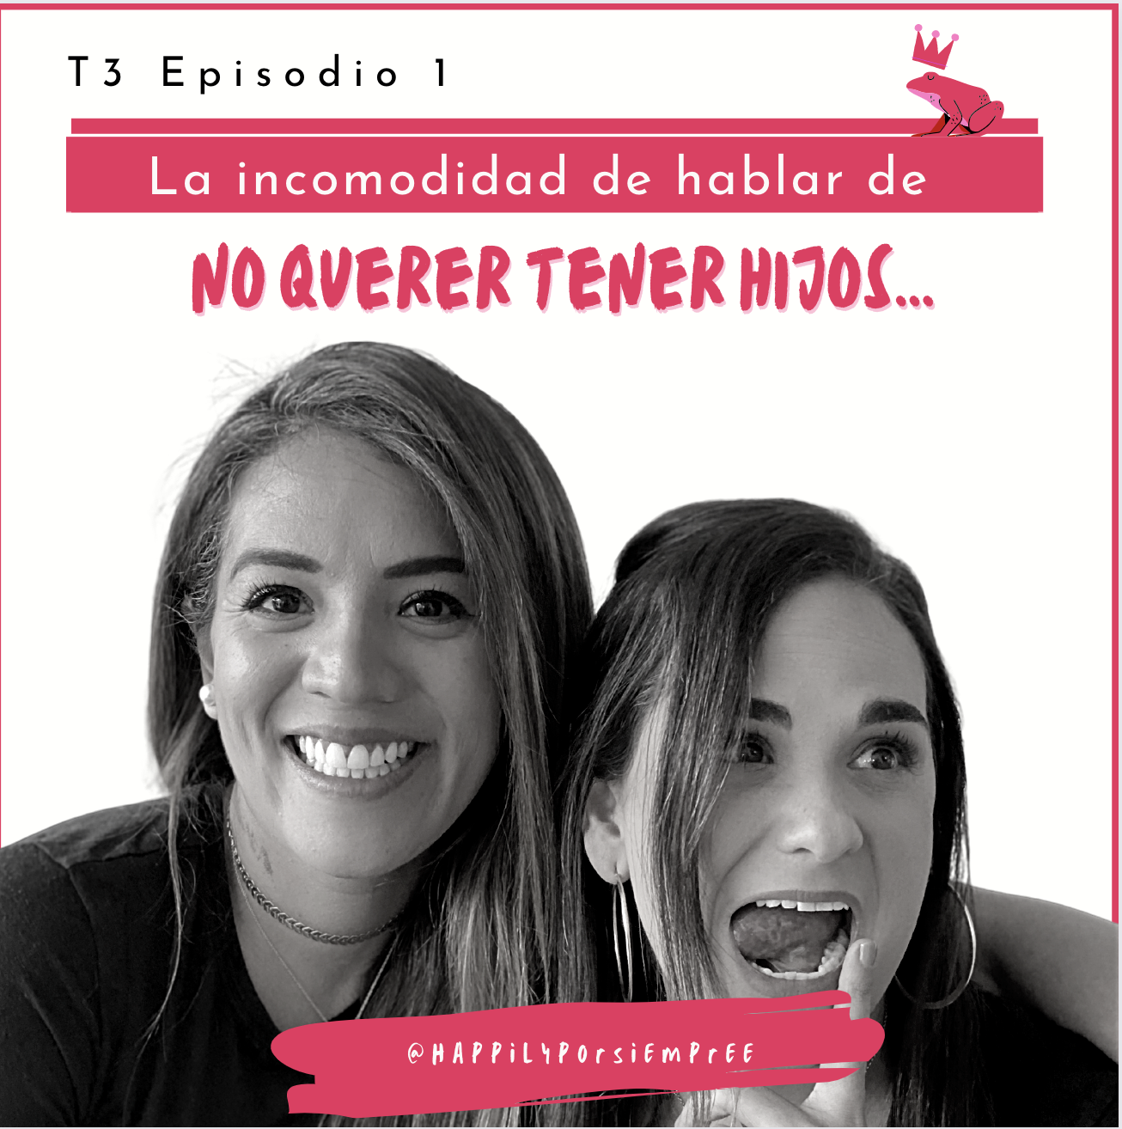 | Este capítulo fue inspirado en una plática recurrente de sobremesa: quieres tener hijos? Si los quieres, ya te tardaste, si no los quieres, todo bien en casa? Vica Garrido, terapeuta de marcay gran amiga de este podcast nos da su visión muy particular sobre el tema de la maternidad y sus razones por las que no quiere ser mamá. La conclusión: cada quien sus cubas | @ vicagarrido / @ 34ycontando
 | 2022-06-27 | 2022-06-28 | 2022-06-29 | 2022-06-30 | 2022-07-01 | 2022-07-02 | 2022-07-03 |  | TUESDAY | 28 |  |  |  |  | Tu quieres tener hijos? SI / NO |  |  | 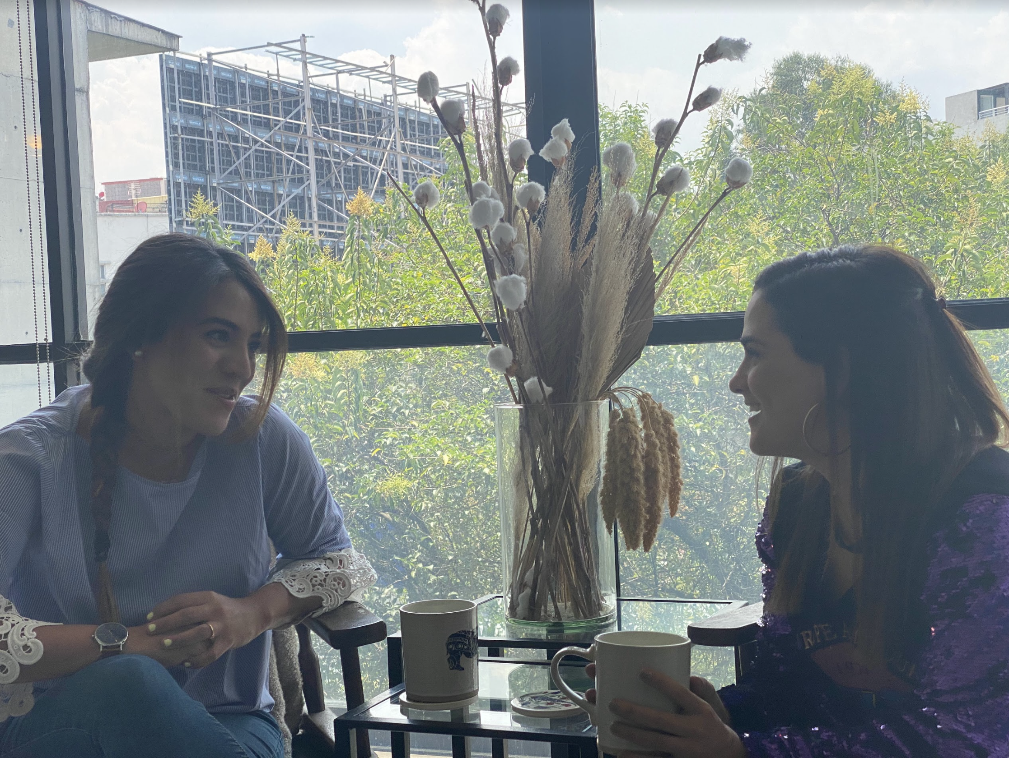
 | 2022-07-04 | 2022-07-05 | 2022-07-06 | 2022-07-07 | 2022-07-08 | 2022-07-09 | 2022-07-10 |  | WEDNESDAY | 29 | La incomodidad de no querer tener hijos |  | Vica | 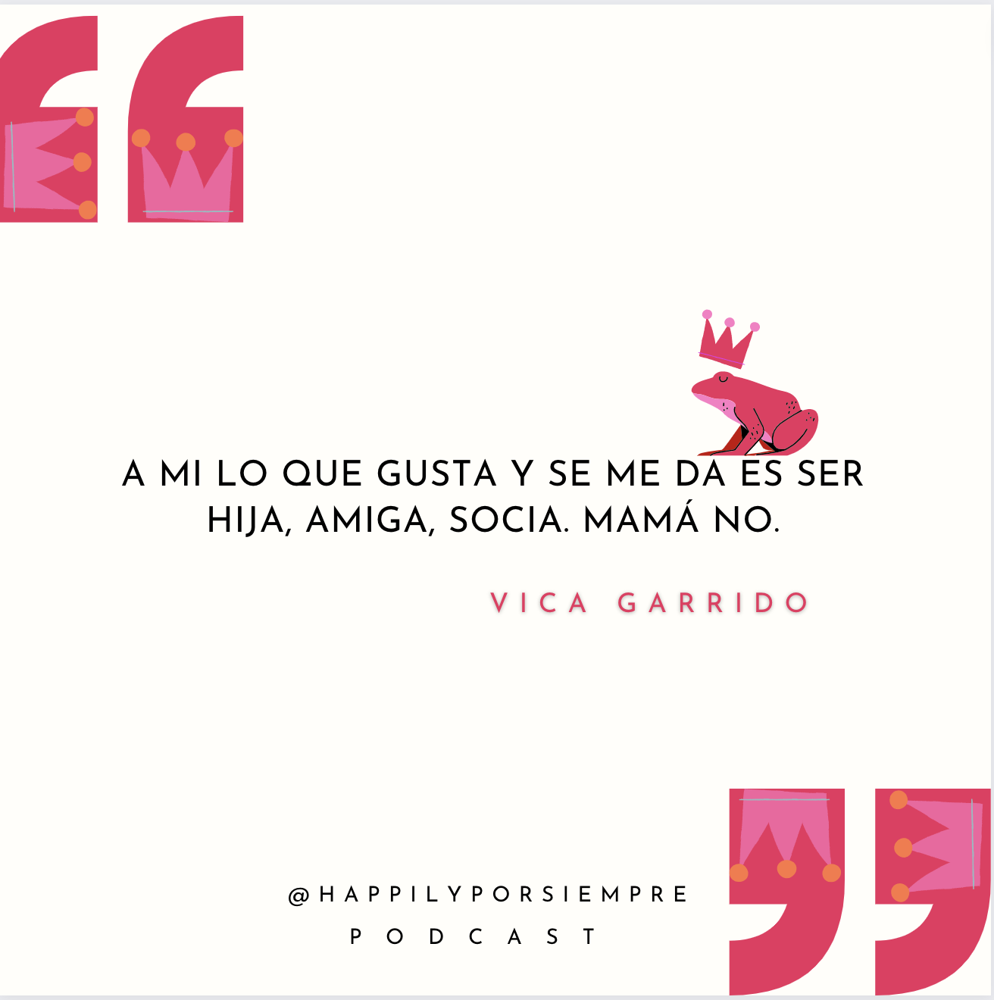 | Hay que tomar decisiones en la vida y especialmente durante la pandemia, Vica se dió cuenta que lo suyo lo suyo, es el Netflix and Chill por sobre cambiar pañales. Escucha el capitulo ya en Spotify.
 | 2022-07-11 | 2022-07-12 | 2022-07-13 | 2022-07-14 | 2022-07-15 | 2022-07-16 | 2022-07-17 | 26 | THURSDAY | 30
 | 2022-07-18 | 2022-07-19 | 2022-07-20 | 2022-07-21 | 2022-07-22 | 2022-07-23 | 2022-07-24 |  | FRIDAY | 1 | La incomodidad de no querer tener hijos |  | Vica |  | Vica es terapeuta de marca, tiene un tarot consejero que no te puedes perder y con toda la autenticidad que la caracteriza nos cuenta sus razones para no entrarle a la maternidad. Le tiene envidia a los bebes pues asegura que nunca en nuestra vida la pasamos tan deli como cuando somos bebés. Esta y muchas otras puntadas, ya disponibles en Spotify.
 | 2022-07-25 | 2022-07-26 | 2022-07-27 | 2022-07-28 | 2022-07-29 | 2022-07-30 | 2022-07-31 |  | SATURDAY | 2
 |  |  |  |  |  |  |  |  | SUNDAY | 3
 | CW |  |  |  | 27
 | M | T | W | T | F | S | S |  | MONDAY | 4 | La incomodidad de hablar de relaciones tóxicas |  | Clau Ballesteros
 | 2022-06-27 | 2022-06-28 | 2022-06-29 | 2022-06-30 | 2022-07-01 | 2022-07-02 | 2022-07-03 |  | TUESDAY | 5
 | 2022-07-04 | 2022-07-05 | 2022-07-06 | 2022-07-07 | 2022-07-08 | 2022-07-09 | 2022-07-10 |  | WEDNESDAY | 6
 | 2022-07-11 | 2022-07-12 | 2022-07-13 | 2022-07-14 | 2022-07-15 | 2022-07-16 | 2022-07-17 | 27 | THURSDAY | 7
 | 2022-07-18 | 2022-07-19 | 2022-07-20 | 2022-07-21 | 2022-07-22 | 2022-07-23 | 2022-07-24 |  | FRIDAY | 8
 | 2022-07-25 | 2022-07-26 | 2022-07-27 | 2022-07-28 | 2022-07-29 | 2022-07-30 | 2022-07-31 |  | SATURDAY | 9
 |  |  |  |  |  |  |  |  | SUNDAY | 10
 | CW |  |  |  | 28
 | M | T | W | T | F | S | S |  | MONDAY | 11 | La incomodidad de hablar sobre vivir con tu pareja
 | 2022-06-27 | 2022-06-28 | 2022-06-29 | 2022-06-30 | 2022-07-01 | 2022-07-02 | 2022-07-03 |  | TUESDAY | 12
 | 2022-07-04 | 2022-07-05 | 2022-07-06 | 2022-07-07 | 2022-07-08 | 2022-07-09 | 2022-07-10 |  | WEDNESDAY | 13
 | 2022-07-11 | 2022-07-12 | 2022-07-13 | 2022-07-14 | 2022-07-15 | 2022-07-16 | 2022-07-17 | 28 | THURSDAY | 14
 | 2022-07-18 | 2022-07-19 | 2022-07-20 | 2022-07-21 | 2022-07-22 | 2022-07-23 | 2022-07-24 |  | FRIDAY | 15
 | 2022-07-25 | 2022-07-26 | 2022-07-27 | 2022-07-28 | 2022-07-29 | 2022-07-30 | 2022-07-31 |  | SATURDAY | 16
 |  |  |  |  |  |  |  |  | SUNDAY | 17
 | CW |  |  |  | 29
 | M | T | W | T | F | S | S |  | MONDAY | 18
 | 2022-06-27 | 2022-06-28 | 2022-06-29 | 2022-06-30 | 2022-07-01 | 2022-07-02 | 2022-07-03 |  | TUESDAY | 19
 | 2022-07-04 | 2022-07-05 | 2022-07-06 | 2022-07-07 | 2022-07-08 | 2022-07-09 | 2022-07-10 |  | WEDNESDAY | 20
 | 2022-07-11 | 2022-07-12 | 2022-07-13 | 2022-07-14 | 2022-07-15 | 2022-07-16 | 2022-07-17 | 29 | THURSDAY | 21
 | 2022-07-18 | 2022-07-19 | 2022-07-20 | 2022-07-21 | 2022-07-22 | 2022-07-23 | 2022-07-24 |  | FRIDAY | 22
 | 2022-07-25 | 2022-07-26 | 2022-07-27 | 2022-07-28 | 2022-07-29 | 2022-07-30 | 2022-07-31 |  | SATURDAY | 23
 |  |  |  |  |  |  |  |  | SUNDAY | 24
 | CW |  |  |  | 30
 | M | T | W | T | F | S | S |  | MONDAY | 25
 | 2022-06-27 | 2022-06-28 | 2022-06-29 | 2022-06-30 | 2022-07-01 | 2022-07-02 | 2022-07-03 |  | TUESDAY | 26
 | 2022-07-04 | 2022-07-05 | 2022-07-06 | 2022-07-07 | 2022-07-08 | 2022-07-09 | 2022-07-10 |  | WEDNESDAY | 27
 | 2022-07-11 | 2022-07-12 | 2022-07-13 | 2022-07-14 | 2022-07-15 | 2022-07-16 | 2022-07-17 | 30 | THURSDAY | 28
 | 2022-07-18 | 2022-07-19 | 2022-07-20 | 2022-07-21 | 2022-07-22 | 2022-07-23 | 2022-07-24 |  | FRIDAY | 29
 | 2022-07-25 | 2022-07-26 | 2022-07-27 | 2022-07-28 | 2022-07-29 | 2022-07-30 | 2022-07-31 |  | SATURDAY | 30
 |  |  |  |  |  |  |  |  | SUNDAY | 31

🙋🏻‍♀️ |  | Created by Gracia Kleijnen
 |  | Google Sheets Geeks

